DEFECTS
ID | Date Reported | Interface | Scenario Type | Bug Type | Status | Window Column(s) | Summary | Defect (NG Display, Scenario) | Testing Comments | Date Retest | Retest Pass/Fail | BSA Comments | Dev Comments
1 | 2026-03-12 | Both | UI | Minor | Resolved | General | 4k Monitor Window Resolution | Borders around sections are larger than sections | Should the data sections within the borders be dynamic? | 2026-04-14 | Pass | 03/13 - Dev to review/address 03/25 - still occurring 04/14 - issue resolved | sm - css issue will look into 4/7/2026 fixed
2 | 2026-03-12 | Both | UI | Minor | Resolved | Violation | Highlight on initial load | Highlight is missing on first violation after opening window | 03/13 - devs to address | 2026-04-14 | Pass | 03/13 - devs to address 04/14 - regression test pass | sm - make first selected | side note on dropdown options when they are empty.
3 | 2026-03-12 | Both | UI | Minor | Resolved | Violation | Search field | Alignment of text is bottom right of search field | currently, the empty ones are put at the bottom, however | 2026-04-14 | Pass | 03/13 - devs to address 04/14 - regression test pass | sm - look into filter | currently, the empty ones are put at the bottom, however
4 | 2026-03-12 | Both | Functionality | Major | No Action | Violation | Scroll Latency | When using mouse wheel, same violations appear in scroll. Once user stops, then the window momentarily displays loading window then displays violations; same occurs if user clicks scroll bar and drags quickly |  |  | Pass with Comments | 03/13 - leave as-is | sm - occurs because grid is virtual. Needs further discussion | other windows have it as the first option. Need to standardize
5 | 2026-03-12 | Both | UI | Minor | Resolved | Violation | Gradient display for read-only rows | Remove gradient blue and replace with solid blue as these are read-only rows | UI Guidelines #40: search field should be cleared and not reappear with previously entered search; should behave as if user just used enter key | 2026-03-25 | Pass with Comments | 03/13 - Dev to review/address 03/25 - see ID 30 | 3/13 SM - has been addressed. solid blue/white added
6 | 2026-03-12 | Both | Functionality | Major | Resolved | Violation | Search field retains previous search with F3 Refresh | 1. Enter violation in search field (e.g. PC 11) 2. Select violation towards bottom of list (e.g., PC 1192.7(c)(25)) 3. F3 Refresh window 4. Violations do not display; Bail Schedule & Bail Schedule Qualifier sections remain for selected violation in Step 1 (ID 16) 5. Go to search field and use Enter keypress 6. Search field reappears/searches with data entered in Step 1 | UI Guidelines #40: search field should be cleared and not reappear with previously entered search; should behave as if user just used enter key | 2026-04-14 | Pass | 03/13 - Dev to review/address 03/25 - Steps 1-4 resolved; 5-6 still occurring 04/11 - all steps resolved as old filter does not reappear | sm - looks like the filter is still not being removed on refreshing. Will look into 4/7/2026 unable to replicate 4/10: JL to filter nothing so that ENTER does not bring back old filter
7 | 2026-03-12 | Both | Functionality | Minor | Resolved | Violation | Search Field Character Limit | NG - no character limit; PB - 30 characters |  | 2026-04-14 | Pass | 03/13 - Dev to review/address 04/14 - regression test pass
8 | 2026-03-12 | Both | UI | Minor | No Action | Violation | Search Field/Scroll bar | When no search executed scroll bar appears with an empty blue cell above it; when search executed and results are less than section height, scroll bar disappears and empty blue cell disappears (e.g. VC 23152(a)) |  |  | Pass with Comments | 03/13 - leave as-is
9 | 2026-03-12 | Both | Functionality | Major | Resolved | Bail Schedule | Effective Date | 01/01/1900 returns "Effective date must be a valid date" FluentValidation | 01/01/1900 should save as it is a valid date for date range | 2026-04-14 | Pass | 03/13 - devs to address 04/14 - regression test pass | sm - reduce min date to 12/31/1899 max to 01/01/2100
10 | 2026-03-12 | Both | UI | Minor | Resolved | Bail Schedule | Delete button | Red button and "Delete" text appears right justified slightly | Confirm button color as this is new scenario; text should be centered (appears right justified) | 2026-04-14 | Pass | 03/13 - devs to address centering of text; leave button as red 04/14 - regression test pass | sm - looks right aligned bcz set width is being applied as a style. Removing width = 75px aligns it but increases width by 8px
11 | 2026-03-12 | Both | UI | Minor | Resolved | Bail Schedule | Post Amount/POC | FluentValidations are covering fields |  | 2026-04-14 | Pass | 03/13 - devs to address 04/14 - regression test pass | sm - try doing ct control FV DependentRules() or onBlur
12 | 2026-03-12 | Both | Functionality | Major | Resolved | Bail Schedule | POC | FluentValidation states that an amount is required | PA Dist Sched: PC 11412, PC 115(a) Bail Dist Sched: PC 115(a) | 2026-04-14 | Pass | 03/13 - devs to address to default field to $0.00 04/14 - regression test pass
13 | 2026-03-12 | Both | UI | Minor | Resolved | Bail Schedule | PA Dist Schedule dropdown height briefly expands when changing view | There is a brief expansion/reduction in PA Dist Schedule dropdown when toggling between violations |  | 2026-04-14 | Pass | 03/13 - devs to address 04/14 - regression test pass | sm - add padding to reason grid 2nd
14 | 2026-03-12 | Both | UI | Minor | No Action | Bail Schedule | FluentValidation Green highlight appears on fields not edited | PA Dist Sched: PC 11412, PC 115(a) Bail Dist Sched: PC 115(a) | Fields are highlighted green but no changes were made to these cells; display looks as though it is passing FVs without modifications | 2026-03-25 | Pass with Comments | 03/13 - to be reviewed later
15 | 2026-03-12 | Both | UI | Minor | Resolved | Bail Schedule | Bail Dist Sched & PA Dist Sched bolded dropdowns | PA Dist Sched: PC 11412, PC 115(a) Bail Dist Sched: PC 115(a) When viewing dropdowns, options are all bolded | Should the dropdowns be bolded? | 2026-04-14 | Pass | 03/13 - bold to remain; add underline to mandatory fields; add empty row to PA Dist Sched and Bail Dist Sched dropdowns 04/14 - regression test pass | sm - bolded occurs because the dropdown was modified. Besides that, please elaborate on previous ^
16 | 2026-03-12 | Both | UI | Minor | Resolved | Bail Schedule | PA Dist Sched | Formal Probation selection code is cut off | Increase Bail Schedule column width so that this field is slightly expanded | 2026-04-07 | Pass | 03/13 - devs to address 03/25 - issue still occurring 04/07 - issue resolved | sm - increate ddm option width bcz code is cut off. ie 'FMLP...'
17 | 2026-03-12 | Both | Functionality | Major | Resolved | Bail Schedule | FluentValidations appearing to early | Enter Dt Effective and tab or click to next cell triggers the following: - Number of Priors is required - Post Amt is required - POC Amount is required | Update to only display FV when user leaves cell and fails FV | 2026-04-14 | Pass | 03/13 - devs to address 04/14 - regression test pass
18 | 2026-03-12 | Both | UI | Minor | No Action | Bail Schedule Qualifier | Spacing of first/last rows | Reduce spacing above Qualifier type and below Added section | Match spacing used between Qualifier/Value rows | 2026-03-25 | Pass with Comments | 03/13 - devs to address 03/25 - issue still occurring 04/10 - no action - any further reduction will show partial 6th row and then break navigation | sm - will look into. css related 4/7/2026 reduced and now fits 5 records any further reduction and will show partial 6th row and then navigation wont work right
19 | 2026-03-12 | Both | UI | Minor | Resolved | Bail Schedule Qualifier | Qualifier text updates to black after exiting edit mode | Should remain dark blue when exiting edit mode |  | 2026-04-14 | Pass | 03/13 - devs to address 04/14 - regression test pass | sm - only modify the input box not the qualifier text? maybe rm text box for label
20 | 2026-03-12 | Both | Functionality | Major | Resolved | Bail Schedule Qualifier | Added in initial bail schedule row creation - does not save | If user adds BSQ at the time of creating bail schedule row, bail schedule row saves but none of the qualifiers save |  | 2026-04-14 | Pass | 03/13 - devs to address 04/06 - issue sporadically occurs, latest was on 4/6 - screenshot of error message attached 04/14 - regression test pass | sm - insert is failing 4/7/2026 fixed
21 | 2026-03-12 | Both | Functionality | Major | Resolved | Bail Schedule Qualifier | Added after bail schedule row creation - does not save | User adds BSQ after creating bail schedule row, receives this message: Error saving Bail Schedule See Details... ORA-20000: 46001^-1^cta_bail_sched_qlfr_ins^ ORA-06512: at "COURT.CTW_BAIL_SCHEDULE_QUALIFIER", line 146 ORA-06512: at line 1 https://docs.oracle.com/error-help/db/ora-20000/ | If user adds BSQ at the time of creating bail schedule row, bail schedule row saves but none of the qualifiers save | 2026-04-14 | Pass | 03/13 - devs to address 04/14 - regression test pass | sm - insert is failing
22 | 2026-03-12 | Both | Functionality | Minor | Resolved | Bail Schedule Qualifier | View retained after save | If user is at bottom of Bail Schedule Qualifiers and saves, view remains at bottom of bail schedule qualifiers after save | Shouldn't view reset to show top of BSQ section? | 2026-04-14 | Pass | 03/13 - devs to address 04/14 - regression test pass | sm - reset focus to top of grid?
23 | 2026-03-12 | Both | Functionality | Major | Resolved | Violation | F3 Refresh triggers "No records to display" Highlight placement in OL column only | 1. Scroll down and select violation (e.g. PC) 2. Refresh window 3. Violations display "No records to display" after refresh 4. Click in Violations search field 5. User Enter keypress 6. Violations reappear and highlight only appears on the OL | Expect refresh to display first row highlighted with corresponding Bail Schedule row / associated BSQs | 2026-04-14 | Pass | 03/13 - Dev to review/address 04/14 - regression test pass | sm - this issue is related to ID#6. Issue is filtering is not being reset on refresh.
24 | 2026-03-12 | Both | Functionality | Major | Resolved | Bail Schedule & Bail Schedule Qualifier | F3 Refresh does not reset columns | 1. Scroll down and select violation (e.g. PC) 2. Refresh window 3. Bail Schedule and Bail Schedule Qualifier sections remain for selected violation in Step 1 4. User scrolls in Violations search field - no highlight on violation selected in Step 1 | Expect refresh to display first row highlighted with corresponding Bail Schedule row / associated BSQs when refresh occurs - should not display previous data | 2026-04-14 | Pass | 03/13 - devs to address 04/14 - regression test pass | sm - this issue is related to ID#2. highlighting first row on refresh add on base grid
25 | 2026-03-12 | Both | Functionality | Major | Resolved | Violation & Bail Schedule Qualifier | PgUp/PGDn Keypress & Up/Down arrow keypress fail | F7/F8/F10/F11 keypresses work, however the PgUp/PgDn and Up/Down arrow keypresses fail both sections |  | 2026-04-14 | Pass | 03/13 - devs to address 04/14 - regression test pass
26 | 2026-03-12 | Both | Functionality | Major | Resolved | Bail Schedule History | Launches case search | Should launch Bail Schedule History |  | 2026-03-25 | Pass with Comments | 03/13 - devs to address 03/25 - case search no longer appears, see ID 42
27 | 2026-03-12 | Both | Functionality | Major | Resolved | General | Newly added violations not appearing | 1. User adds new violation in Violations window 2. Open Bail Schedule - search/scroll does not show newly added violation | Appears to be related to cache, after 30 minutes could see new violation; this needs to be addressed as users cannot wait 30 minutes to configure bail schedule row after adding violation | 2026-04-14 | Pass | 03/13 - devs to address 04/14 - regression test pass
28 | 2026-03-12 | Both | Functionality | Major | Resolved | Bail Schedule History | Reason/Comments remain after selecting different violation | 1. User attempts to add Bail Schedule Qualifier to Bail Schedule row and adds Reason/Comments 2. Attempts to save - errors (ID 20, 21) 3. Click on another violation - Pending Changes validation appears - No 4. Proceeds to violation selected: Reason/Comments remains populated |  | 2026-04-14 | Pass | 03/13 - devs to address 04/14 - regression test pass
29 | 2026-03-12 | Both | Functionality | Major | Resolved | General | Launching read-only view | Open blazor window as read-only from other Vision Windows (e.g., Case Summary, Counter, etc.) |  | 2026-04-06 | Pass | 04/14 - regression test pass | waiting on Sameers popup window
30 | 2026-03-25 | Both | UI | Minor | No Action | General | Scroll changes blue color of rows | Slowly scrolling through violations makes the blue rows temporarily lighter |  |  | Pass with Comments | 04/10 - leave as-is, cannot fix | 4/7/2026 scrol color is syncfusion
31 | 2026-03-25 | Both | Functionality | Major | No Action | Violation & Bail Schedule Qualifier | PgUp/PGDn Keypress & Up/Down arrow keypress causes highlight to flash | F8/PgDn: next row is highlighted at the bottom of the section, moves to the middle, then ends at the top so user sees the blue highlight in the 3 locations F7/PgUp: highlight disappears/reappears at top of section (ok with this) | Issue occurs in both sections, but more noticeable in Violations |  | Pass with Comments | 04/10 - leave as-is, cannot fix | 4/7/2026 works as is
32 | 2026-03-25 | Both | UI | Minor | Resolved | Bail Schedule | Expires Date flickers date format if field is disabled | When Expires field is disabled (profile in PROFIL/BSDTEXP category), user sees date format flash before final MM/DD/YYYY format. Occurs quickly but seems to be YYYY-MM-DD that flashes | This does not occur if Expires Date field is enabled for user | 2026-04-14 | Pass | 04/14 - Effective (BS Review window) and Expires (both windows) fields reduced flickering | 4/7/2026 minimized the flickering
33 | 2026-03-25 | Both | Functionality | Major | Resolved | Bail Schedule | Expires Date - cannot remove | 1. Enter Expires Date and save changes 2. Attempt to remove Expires Date (delete, type '0's) 3. Expires date resets to last value | NG window incorrectly resetting value in field. User should be able to unexpire records if they are in PROFIL/BSDTEXP category | 2026-04-14 | Pass |  | 4/7/2026 removed strict mode
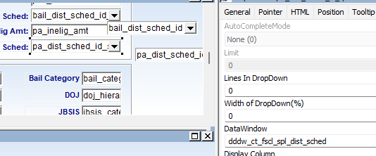
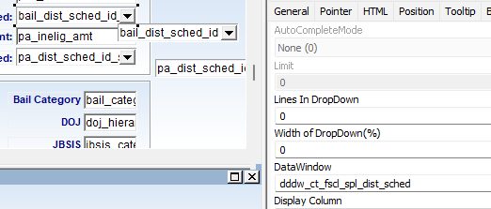
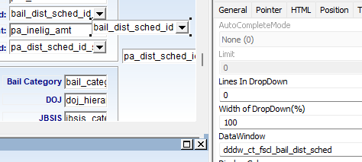
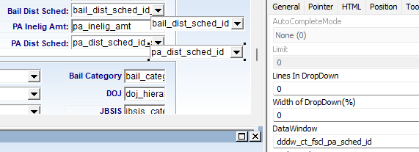
34 | 2026-03-25 | Both | Functionality | Minor | Resolved | Bail Schedule | Tab keypress placements | When user is in Priors field, Tab keypress goes to Compute Bail, then NC checkbox, down the column , then up to Base Amt When user is in bottom portion at Special Schedule, the tab keypress goes across to Bail Category rather than going down | Can the tab keypress be configured to go to the next field that is not a checkbox? Priors > Base Amt, PA Dist Sched > Special Schedule, Special Schedule > Charge Type > Diversion Type > Bail Category > DOJ > JBSIS | 2026-04-14 | Pass |  | 4/7/2026 fixed
35 | 2026-03-25 | Both | Functionality | Major | Resolved | Bail Schedule | Bail Dist Sched & PA Dist Sched | When checked, they have the same dropdown selections. Unchecked, they have different dropdowns | Confirm if this is correct behavior or if the dropdowns should be different? Currently there is no way for BSA to validate as this is bug in the PB window | 2026-04-14 | Pass |  | 4/7/2026 both special dists are same - images on right
36 | 2026-03-25 | Both | UI | Minor | Resolved | Bail Schedule | PA Dist Sched dropdown arrow changes placement | 1. User selects value from PA Dist Sched dropdown 2. User then selects empty value from dropdown | Dropdown arrow moves from right side of field to left. When the Special PA Dist Ind box is selected and the same steps occur, the issue does not happen | 2026-04-14 | Pass |  | 4/7/2026 fixed
37 | 2026-03-25 | Both | Functionality | Major | Resolved | Bail Schedule | Amount Fields (Base Amt, Post Amt, POC, PA Inelig Amt) | User tries to enter value greater than, 10,000,000,000.00 an tabs out of field, field overrides to max value 9,999,999,999.99 | If user enters a value higher than the allotted value, can a FluentValidation appear instead of overriding to max value? | 2026-04-14 | Pass |  | 4/7/2026 fluent validations - removed max amt
38 | 2026-03-25 | Both | UI | Minor | Resolved | Bail Schedule | Alignment of check boxes and fields | Can the alignment of the checkboxes (NC through Special PA Dist Ind) align with Post Amount through PA Dist Sched rows? | Current view looks like checkboxes are lower than the fields in right column | 2026-04-14 | Pass |  | 4/7/2026 fixed
39 | 2026-03-25 | Both | Functionality | Major | Resolved | Delete | Window resets after Delete Bail Schedule Row | Deleting latest bail schedule row resets window to first row in violation as if the window was newly opened | Shouldn't the highlight remain on the violation after a delete since it remains highlighted on edits? | 2026-04-14 | Pass
40 | 2026-03-25 | Both | UI | Minor | Resolved | Bail Schedule | JBSIS value alignment | Values misaligned in comparison to Bail Category and DOJ; should be moved slightly to the right in the field |  | 2026-04-14 | Pass |  | 4/7/2026 fixed
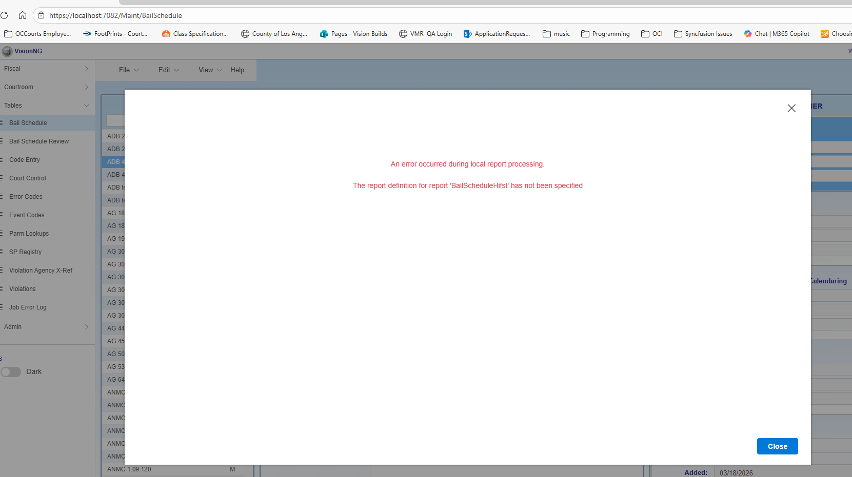
41 | 2026-03-25 | Both | Functionality | Major | Resolved | Bail Schedule | New Bail Schedule Row visible after abandoning in Pending Changes message | 1. Add new row 2. Use Prev button to view previous bail schedule record 3. Pending Changes message - No | Unsaved bail schedule row still appears with copied data but bail schedule qualifiers get wiped If user selects No seems like the bail schedule record created in step 1 shouldn't be retained | 2026-04-14 | Pass |  | 4/7/2026 fixed
42 | 2026-03-25 | Both | Functionality | Major | Resolved | Bail Schedule History | Error Message when launching | 1. Error message displays when attempting to launch - there's an OK and "X" icon to close out message but neither work 2. User can click and highlight rows behind message | 03/26: Can now launch Bail Schedule however, not sure if review needs to occur on message? | 2026-04-14 | Pass with Comments | 04/14 - see ID 54, 55. Error messages appear so was able to test X and Close buttons | 4/7/2026 added error handling and now shows message, and it allowed me to close popup - image to right
43 | 2026-03-25 | Both | Functionality | Major | Resolved | Bail Schedule History | Dt Effective/ Expires Missing from NG report | NG displays #Error instead of Effective and Expires Date |  | 2026-04-14 | Pass | 04/14 - cannot validate due to ID 54, 55 04/14 - fixed after afternoon deployment | 4/7/2026 fixed
44 | 2026-03-25 | Both | UI | Minor | Resolved | Bail Schedule History | Reduce spacing below each update row | Gray lines are sufficient to distinguish each row, added space means less rows display on each page |  | 2026-04-14 | Pass | 04/14 - cannot validate due to ID 54, 55 04/14 - fixed after afternoon deployment | 4/7/2026 fixed
45 | 2026-03-25 | Both | Functionality | Major | Resolved | Bail Schedule History | No history view | Window displays: No bail schedule history found for this violation. | If there is no bail schedule history, can we display a blank report to match current PB window? User might think this is an error since they're used to seeing a blank report | 2026-04-14 | Pass | 04/14 - cannot validate due to ID 54, 55 04/14 - fixed after afternoon deployment | 4/7/2026 fixed
46 | 2026-03-25 | Both | Functionality | Minor | Resolved | Bail Schedule History | Tab keypress placement | Reason dropdown > Show History button > Comments | Can Tab keypress be configured to go to Comments action rather than Show History button? If not, workarounds include clicking in field or using Tab keypress twice | 2026-04-14 | Pass |  | 4/7/2026 done
47 | 2026-03-25 | Both | UI | Minor | Resolved | Bail Schedule Qualifiers | Missing borders around rows | Gray borders surrounding each of the BSQ rows no longer display and appear to be missing gradient | Unsure why these were removed; gradient reappears when user enters edit mode | 2026-04-14 | Pass |  | 4/7/2026 fixed
48 | 2026-03-25 | Both | Functionality | Major | Resolved | Bail Schedule Qualifier | Section Freezes for non-PROFIL/BSQEDIT profiles | 1. Removed ct_developer from PROFIL/BSQEDIT category 2. Attempt to edit DMV Dispositions bail schedule qualifier (qualifier is in BLSCQL/IMPACT category) | User is unable to edit it as expected, however the BSQ section freezes and user cannot edit any other row; seems as though row is stuck in edit mode as context menu fails to appear/user cannot exit edit mode | 2026-04-14 | Pass | 04/14 - resolved as row no longer goes into edit mode if profile is not in BSQEDIT category | 4/7/2026 fixed
49 | 2026-03-25 | PB Only | Functionality | Major | Resolved | Read-Only Bail Schedule | Ctrl + Shift + Click displays error message before opening old window | Expression is not valid message appears twice , window opens with all violations highlighted rather than the violation selected |  | 2026-04-14 | Pass |  | 4/7/2026 sameer will is reviewing this 4/9/2026 double click working with Sameer
50 | 2026-03-25 | PB Only | Functionality | Major | Resolved | Read-Only Bail Schedule | Does not open correct bail schedule row | 1. Open Case Summary with 08CF0002 and double click count 1 (DOV 12/30/07) 2. Blazor Bail Schedule window opens to row 3 of 3 (latest row) | Current logic is incorrect, window should have opened row 1 of 3 as DOV falls within range of bail schedule row 1 | 2026-04-14 | Pass |  | 4/7/2026 fixed
51 | 2026-04-14 | Both | Functionality | Minor | Resolved | Effective Date Expires Date | FluentValidations placement | Effective Date FluentValidation (FV) is cut off, Expires Date message is close to the border but still visible | Move FVs to bottom of cell so that entire FV messages display | 2026-04-14 | Pass
52 | 2026-04-14 | Both | UI | Regression | Resolved | Bail Schedule | PA Dist Sched | Formal Probation selection code is cut off | Increase Bail Schedule column width so that this field is slightly expanded | 2026-04-16 | Pass | 04/14 - previously fixed (ID 16) but now is reocurring 04/14 - re-reported as display issue occurs with bolded text; seeing if section can be expanded to account for bolded text
53 | 2026-04-14 | Both | UI | Minor | Resolved | Bail Schedule Qualifier | FluentValidations placement | Edit mode cuts off the FV for Value as cell reduces in height | Can edit mode cell height remain so entire FV is showing | 2026-04-14 | Pass | 04/14 - fixted to display on bottom of cell
54 | 2026-04-14 | Both | Functionality | Regression | Resolved | Bail Schedule History | Show History button message | When history has no data, should display blank report. Instead receiving this message: "Operation returned an invalid status code 'NotFound'" | ANMC 11.04.010 sample violation | 2026-04-14 | Pass | 04/14 - previous ST testing passed, however it's failing in both ST/QA now 04/14 - fixed after afternoon deployment
55 | 2026-04-14 | Both | Functionality | Regression | Resolved | Bail Schedule History | Show History button message | When history has data, should display blank report. Instead receiving this message: "ORA-22835: Buffer too small for CLOB to CHAR or BLOB to RAW conversion (actual: 6937, maximum: 4000) https://docs.oracle.com/error-help/db/ora-22835/" | TC NGTEST01 sample violation | 2026-04-14 | Pass | 04/14 - previous ST testing passed, however it's failing in both ST/QA now 04/14 - fixed after afternoon deployment
56 | 2026-04-14 | Both | Functionality | Major | Resolved | Bail Schedule | Charge Type & Diversion Type display additional selections | Displaying expired code entries in dropdowns; user is able to select and save expired values | PB window does not display expired values | 2026-04-14 | Pass
57 | 2026-04-16 | Both | Functionality | Major | Resolved | Bail Schedule | Number fields (Amts, POC, PA Inig, Bail Category, DOJ) | Arrow keys can increase/decrease values | Disable arrow keys | 2026-04-16 | Pass
58 | 2026-04-16 | PB Only | Functionality | Major | Resolved | Read-Only Bail Schedule | Does not open correct bail schedule row | 1. Open Case Summary with IVRMCTS02 and double click count 2 (DOV 12/30/07) 2. Blazor Bail Schedule window opens to row 1 of 6 | Some violations have duplicate rows with same Expires/Effective date as Priors amount varies; NG window is capturing the wrong violation | 2026-04-16 | Pass

1
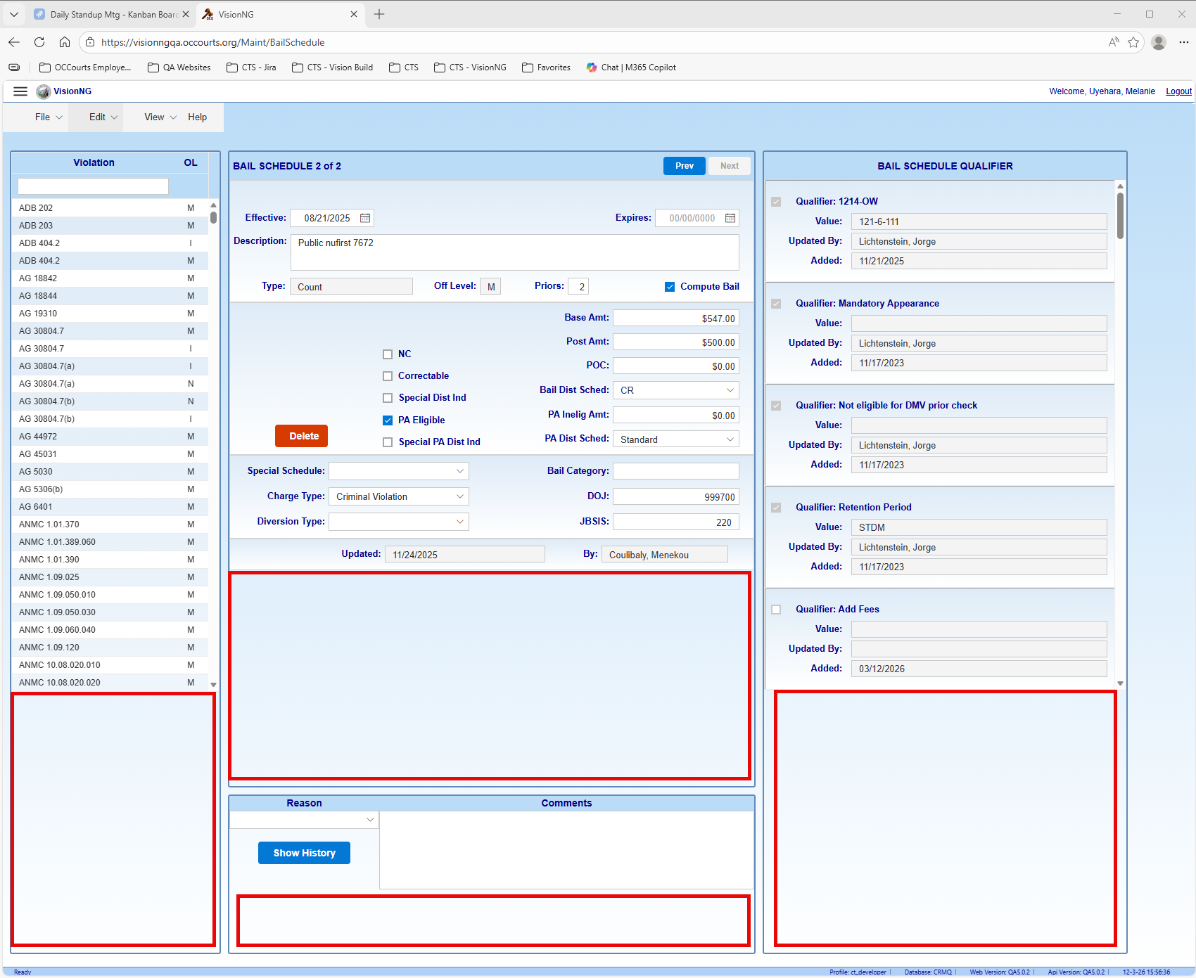
4K

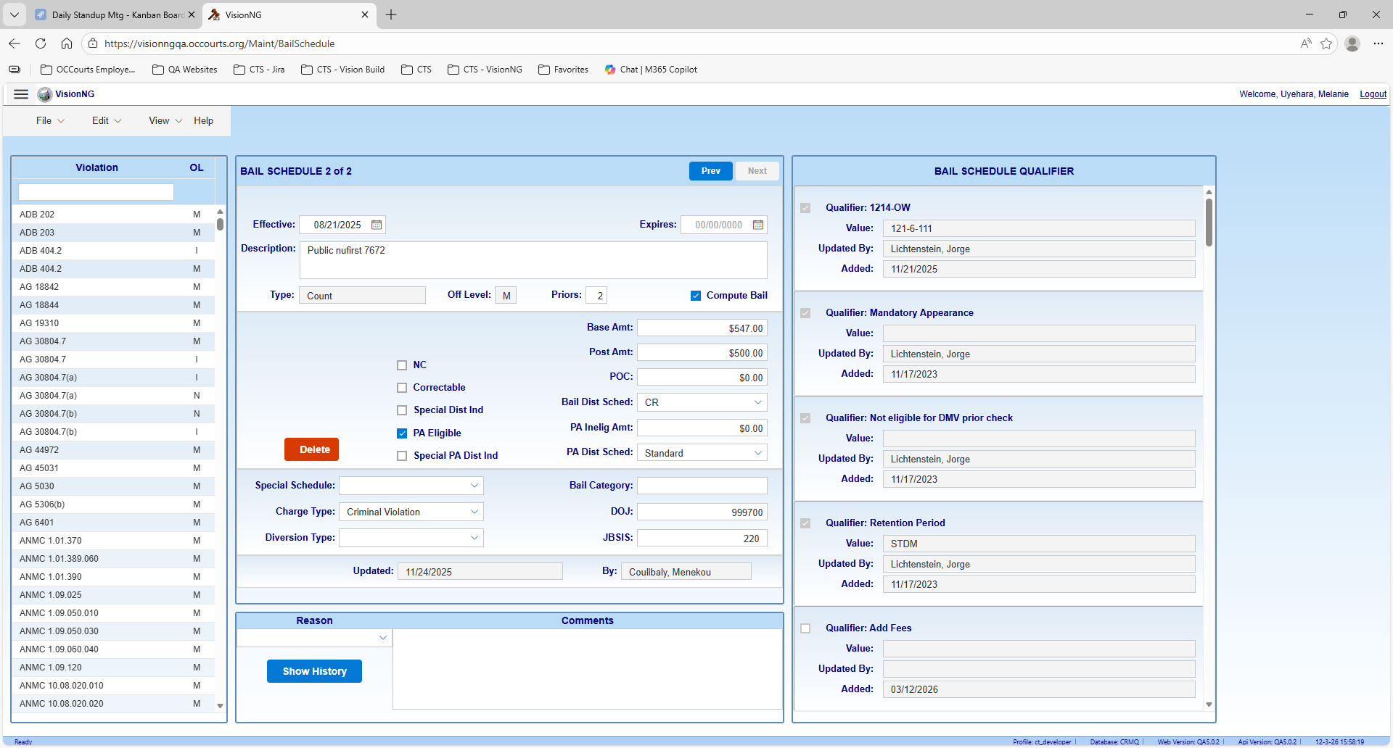
Standard

20
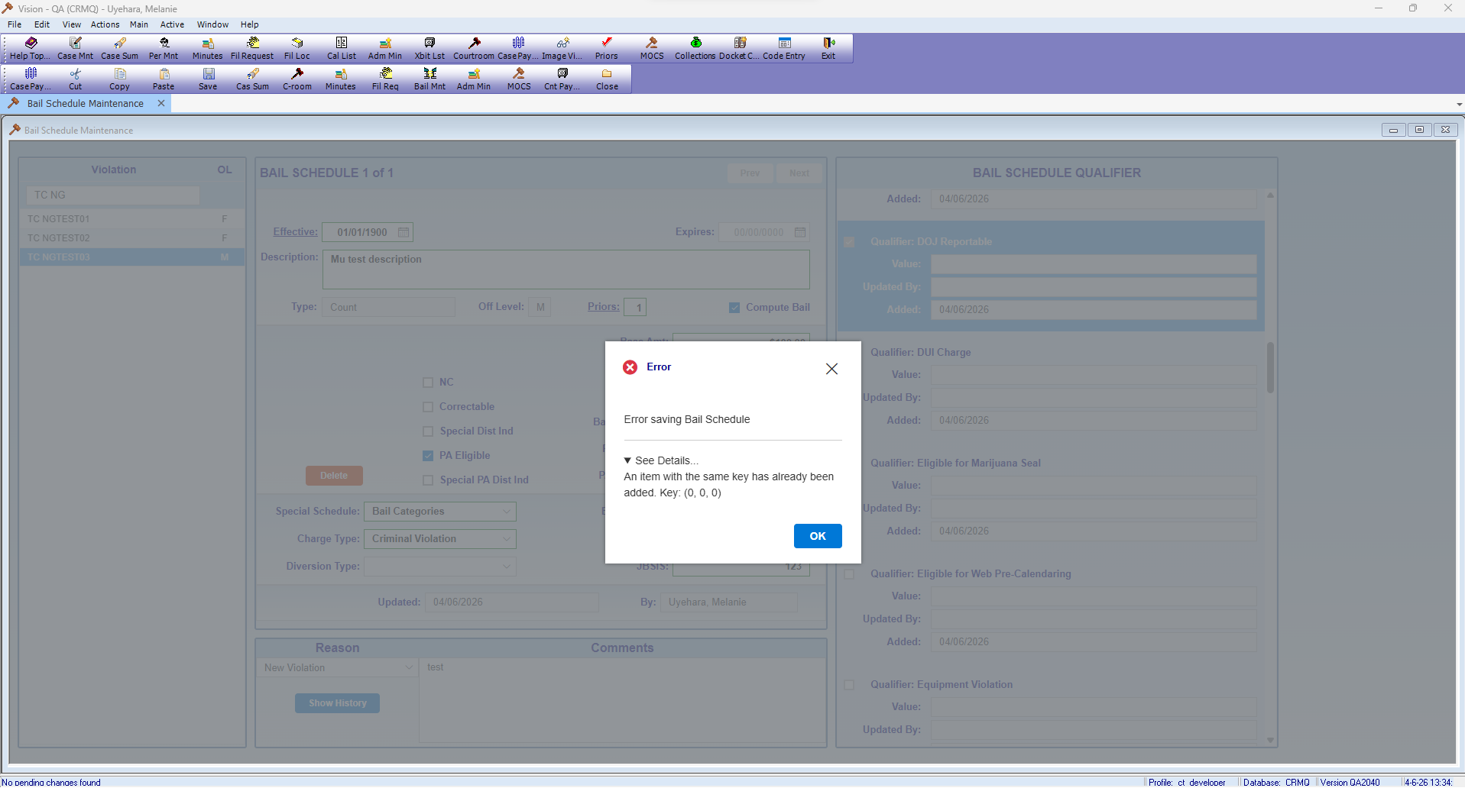

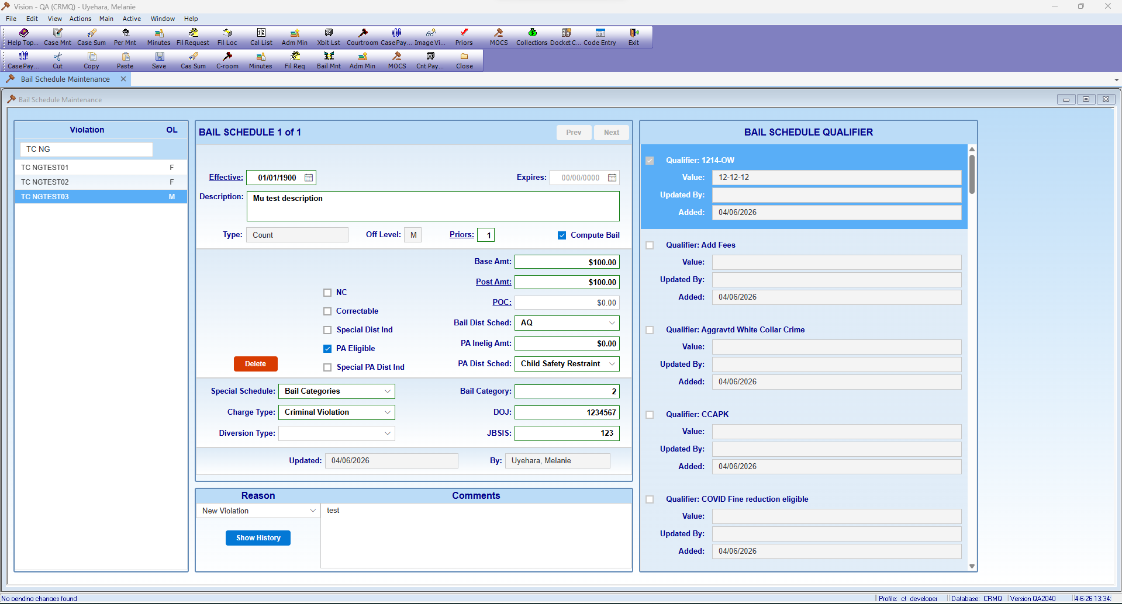

42
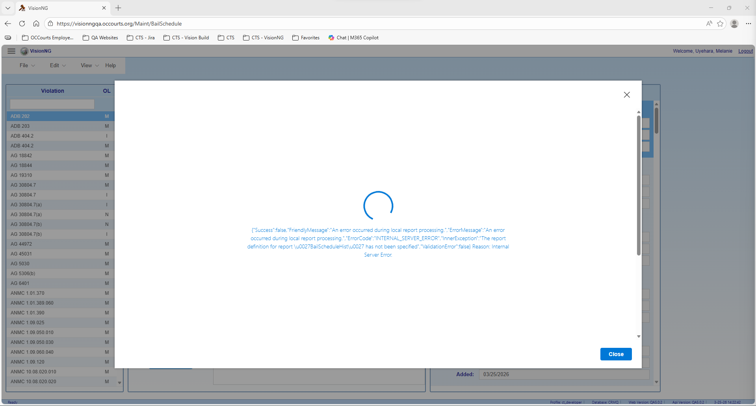

43
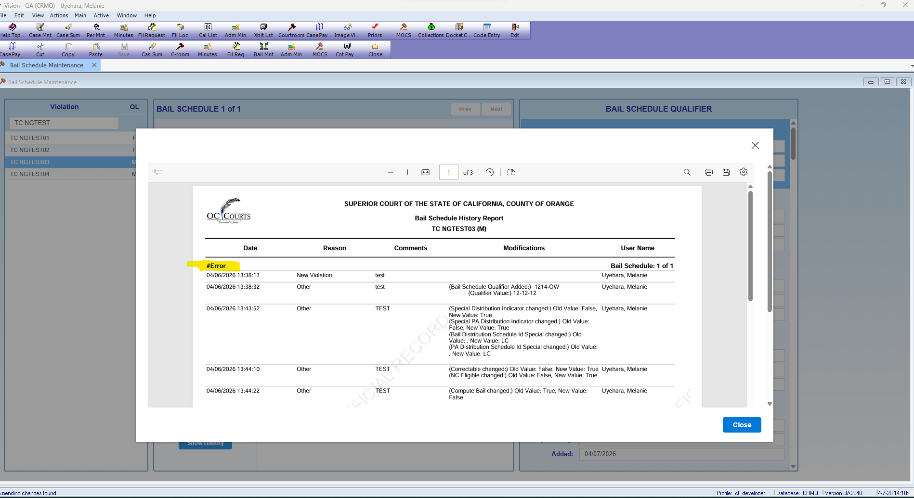

56
